ZILQD
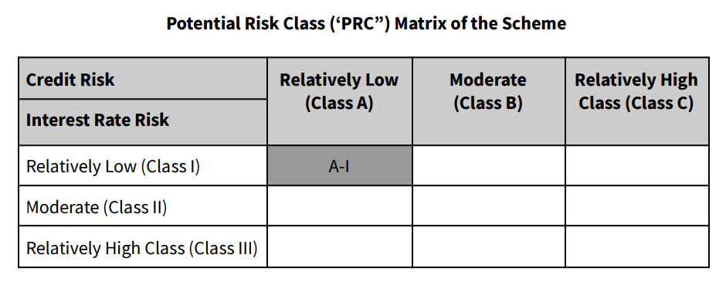
PURSUANT TO REGULATION 59A OF SECURITIES & EXCHANGE BOARD OF INDIA (MUTUAL FUNDS) REGULATIONS, 1996
MONTHLY PORTFOLIO STATEMENT OF ZERODHA NIFTY 1D RATE LIQUID ETF FOR JANUARY 2024

Name of the Instrument | ISIN | Rating / Industry | Quantity | Market value (Rs. in Lakhs) | % to NAV | YTM %

EQUITY & EQUITY RELATED
a) Listed/awaiting listing on Stock Exchanges |  |  |  | NA | NA

Total |  |  |  | NA | NA

b) Unlisted |  |  |  | NA | NA

c) Foreign Securities and /or overseas ETF |  |  |  | NA | NA

DEBT INSTRUMENTS

a) Listed/awaiting listing on the stock exchanges |  |  |  | NA | NA

b) Privately Placed/Unlisted |  |  |  | NA | NA

c) Securitised Debt Instruments |  |  |  | NA | NA

d) Central Government Securities |  |  |  | NA | NA

e) State Government Securities |  |  |  | NA | NA

MONEY MARKET INSTRUMENTS
a) Commercial Paper |  |  |  | NA | NA

b) Certificate of Deposits |  |  |  | NA | NA

c) Treasury Bills |  |  |  | NA | NA

Total |  |  |  | NA | NA

d) Bills Re- Discounting |  |  |  | NA | NA

OTHERS
a) Mutual Fund Units / Exchange Traded Funds |  |  |  | NA | NA

b) Short Term Deposits |  |  |  | NA | NA

c) Term Deposits Placed as Margins |  |  |  | NA | NA

d) TREPS / Reverse Repo Investments
Clearing Corporation of India Limited |  |  |  | 10,147.00 | 99.47% | 6.71%
Total |  |  |  | 10,147.00 | 99.47%

Other Current Assets / (Liabilities)
Net Receivable / Payable |  |  |  | 54.21 | 0.53%
Total |  |  |  | 54.21 | 0.53%

GRAND TOTAL (AUM) |  |  |  | 10,201.21 | 100.00%

Notes:
(1) The aggregate value of illiquid equity shares of the Scheme and its percentage to Net Asset Value is Nil.
(2) Option wise per unit Net Asset Values are as follows:

Option | As on 31 Jan 2024 | As on 29 Dec 2023
Direct Plan Growth Option | 100.3467 | NA

(3) Details of Schemes having exposure in Derivatives is as follows :
a. Hedging Positions through Futures as on Jan 31,2024 is Nil
For the period ended Jan 31,2024 , hedging transactions through futures which have been squared off/expired is Nil.
b. Other than Hedging Positions through Futures as on Jan 31,2024 is Nil.
For the period ended Jan 31,2024 , non-hedging transactions through futures which have been squared off/expired is Nil.
c. Hedging Positions through Options as on Jan 31,2024 is Nil.
d. Other than Hedging Positions through Options as on Jan 31,2024 is Nil.
e. Hedging Positions through swaps as on Jan 31,2024 is Nil.
(4) No Dividend was declared during the month ended Jan 31,2024.
(5) No bonus was declared during the month ended Jan 31,2024.
(6) The total market value of investments in foreign securities / American Depositary Receipts / Global Depositary Receipts as on Jan 31,2024 is Nil.
(7)Annualised Portfolio YTM : 6.71%
(8) Macaulay Duration : 0.00 Years
(9) The Average Maturity Period of the Portfolio is 1 Day.
(10) Investment in Repo in Corporate Debt Securities during the month ended Jan 31,2024 is Nil.
(11) No. of instances of deviation from valuation guidelines is Nil

This product is suitable for investors who are seeking*
> Short Term savings solution

> Investment in securities covered by NIFTY 1D Rate Index.

> Degree of risk – LOW
*Investors should consult their financial advisers if in doubt about whether the product is suitable for them.

Benchmark Riskometer- Nifty 1D Rate Index

Scheme Risk-O-Meter

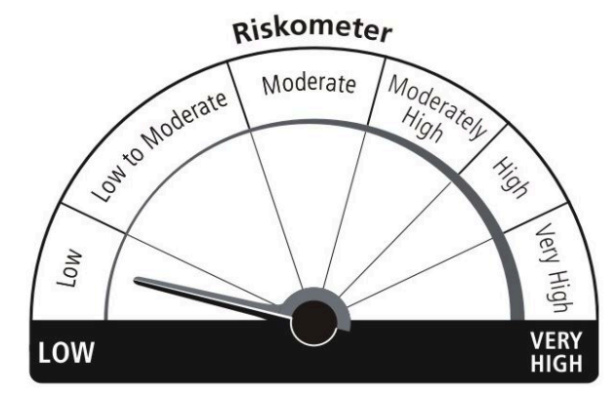

Benchmark Risk-O-Meter

